Vėjo slėgio skaičiuoklė
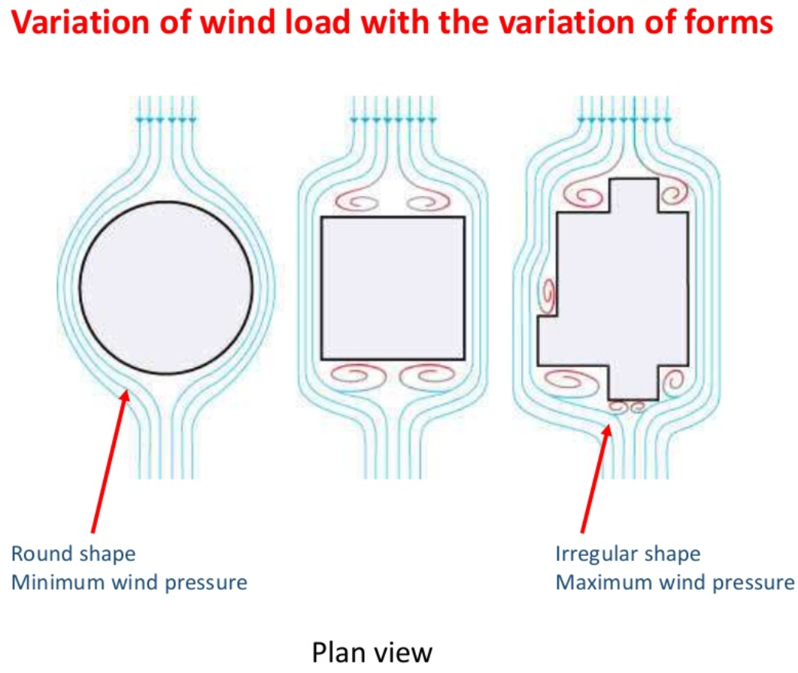
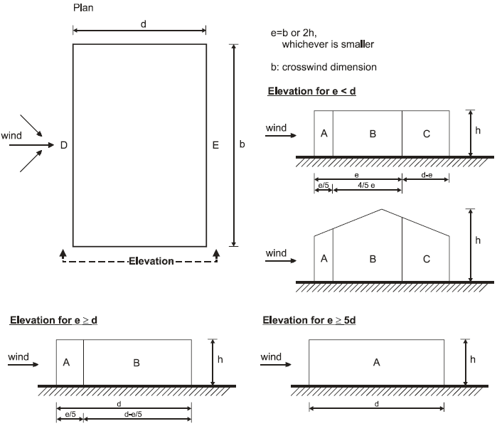
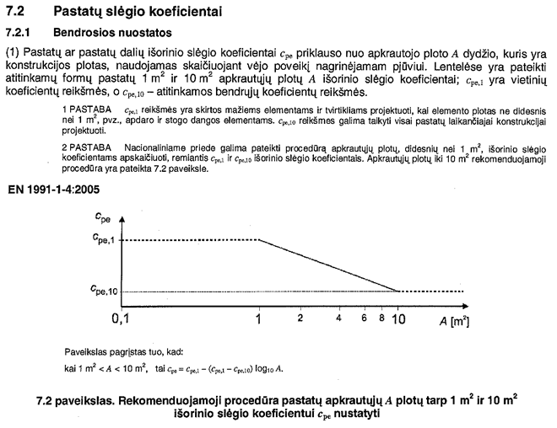
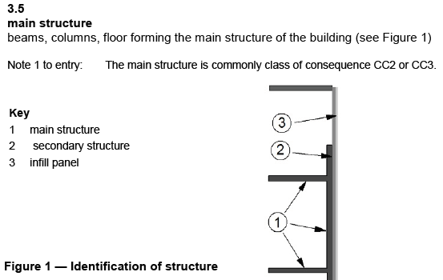
 | The principal wind load calculation* |  |  |  |  |  | StaticusLab S-Wind 3.0_Mind |  |  |  |  |  |  | FILL IN PARAMETERS |  | SELECT EN/LT LANGUAGE: | English |  |  |  |  | prEN 166112:2013
 |  |  |  |  |  |  | @ Staticus Structural calculations team
 | Wind load calculation according to Eurocode EN 1991-1-4 General actions - Wind actions |  |  |  |  |  |  |  |  |  |  |  |  |  |  | Calculation input parameters:
 | EN 1991-1-4 can not be used without NA (National Annex) of current country. |  |  |  |  |  |  |  |  |  |  |  |  |  |  |  |  | Algorithm:
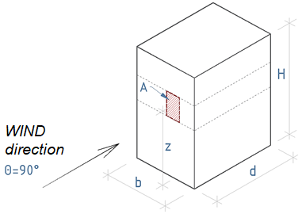
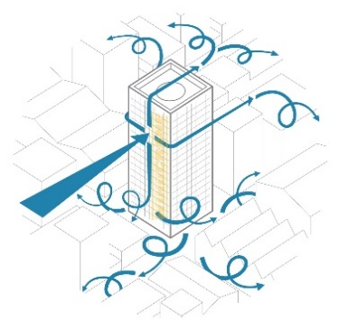
 |  |  |  |  |  |  |  |  |  |  |  |  |  |  |  | Country / Continent: | UK | [UK NA]
 | The calculation parameters: |  |  |  |  |  |  |  |  |  |  |  |  |  |  | City / Wind zone region: | London |  | **
 |  |  |  |  |  |  |  |  |  |  |  |  |  |  |  | Air density ρ: | 1.226 | kg/m3 UK
 | The main value of wind speed vb0: |  |  |  | 22 m/s |  |  |  |  |  |  |  |  |  |  | The class of consequence:(Curtain wall - rec. CC2) | CC2 | (Kfi=1) |  |  | NA to BS EN 1991-1-4:2005+A1:2010
 | Basic velocity pressure qb: |  |  |  | 0.3 kN/m2 |  |  |  |  |  |  |  |  |  |  | Terrain category:(for tall buildings II or lower (I, 0-sea) | IV | (Eurocode) |  |  | Figure NA.1 Value of fundamental basic wind velocity vb,map (m/s) before the altitude corrextion is applied
StaticusLab
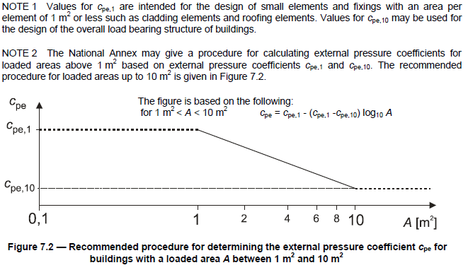
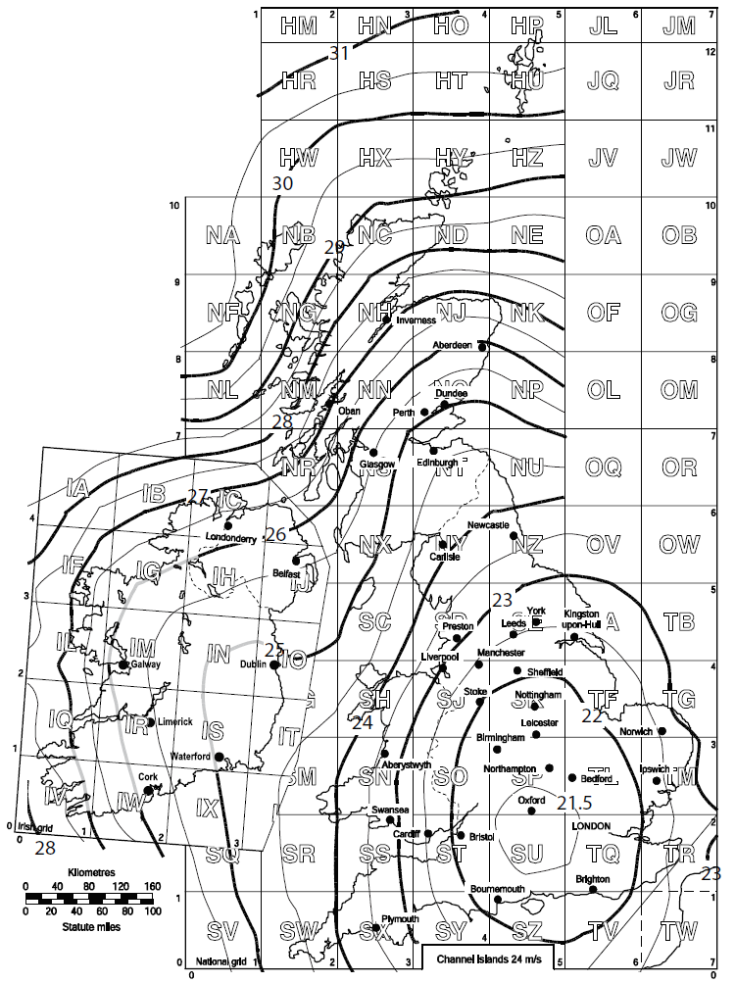
 | The class of consequence: |  |  |  | CC2 |  |  |  |  |  |  |  |  |  |  | The main value of wind speed vb0: ** | 22.0 | m/s
 | Terrain category: |  |  |  | IV |  |  |  |  |  |  |  |  |  |  | Basic velocity pressure qb: | 0.300 | kN/m2
 | Safety coefficient for the variable wind load γQ: |  |  |  | 1.5 |  |  |  |  |  |  |  |  |  |  | Safety coefficient for the variable wind load γQ: | 1.50
 | Wind influence area A: |  |  |  | 10, m² |  |  |  |  |  |  |  |  |  |  | The type of calculating element or structure: | Infill panel
 | The reference height z: |  |  |  | 81.2, m' |  |  |  |  |  |  |  |  |  |  | Wind load value: | CHARACTERISTIC
 | The building height H: |  |  |  | 81.2, m'
 | Parallel to wind direction dimension d: |  |  |  | 30, m' |  |  |  |  |  |  |  |  |  |  | Wind influence area A: | 10.00 | m²
 | Perpendicular to wind direction dimension b: |  |  |  | 28, m' |  |  |  |  |  |  |  |  |  |  | The reference height z: | 81.2 | m'
 |  |  |  |  |  |  |  |  |  |  |  |  |  |  |  | The building height H: | 81.2 | m'
 |  | Eurocode table | Terrain category | z0, m | zmin, m |  |  |  |  |  |  |  |  |  |  | Parallel to wind direction dimension d: | 30.0 | m'
 |  |  | O | 0.003 | 1 |  |  |  |  |  |  |  |  |  |  | Perpendicular to wind direction dimension b: | 28.0 | m'
 |  | UK NA factors: | I | 0.01 | 1
 |  | Ce(z) = 3.79 | II | 0.05 | 2 |  |  |  |  |  |  |  | Input only, if selected algorithm [UK NA]:
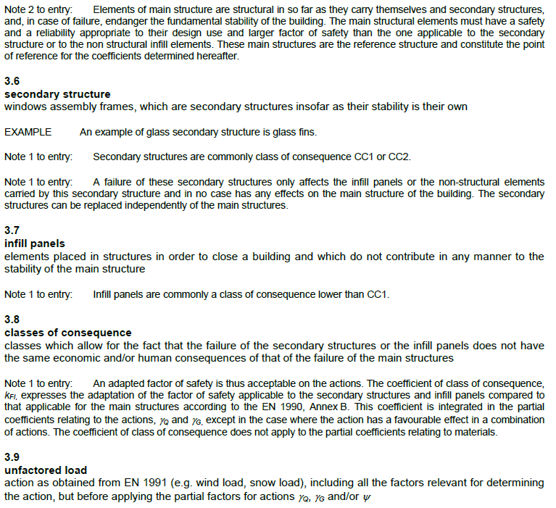
 |  | Ce,T = 1 | III | 0.3 | 5 | Figure 1: The building computational scheme parameters. |  |  |  |  |  |  | 1.005 | Calt | vb0*=22.12m/s
 |  | vb0*=22.12m/s | IV | 1 | 10 |  |  |  |  |  |  |  | 8.3 | Altitude A, m | (input) | Influence zone area calculator:
 |  |  |  |  |  |  |  |  |  |  |  |  | 3.79 | Ce(z) | (input) | Height: | 5.000 | m'
 | Results: |  |  |  |  |  |  |  |  |  |  |  | 1.00 | Ce,T | (input) | Width: | 2.000 | m'
 | [ Without safety coefficient - CHARACTERISTIC (SLS) values ] |  |  |  |  |  |  |  |  |  |  |  |  |  |  | Area A: | 10.000 | m²
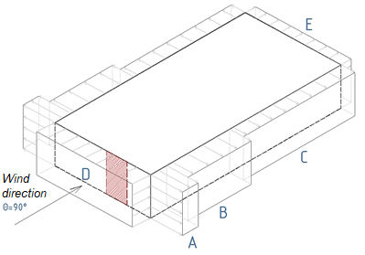
 | Air pressure - Qp, on height z |  | 1.137 kN/m² |  |  |  |  |  |  |  |  |  |  |  |  | Area A (for UK): | 10.0 | m²
StaticusLab
 | External (Ext) preasure on Curtain walling, Glass units, External panels. |  |  |  |  |  |  |  |  |  |  |  |  |  |  |  |  | If Country UK, by NA Cpe1=Cpe10, A=10m2 must always be entered in this calculator !
 | Wind load values according to the building zones:
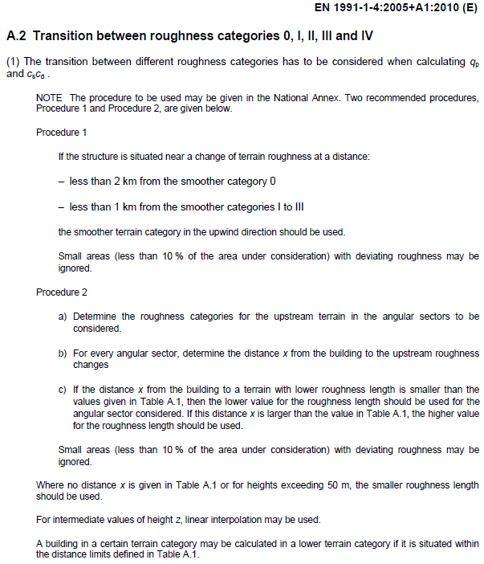
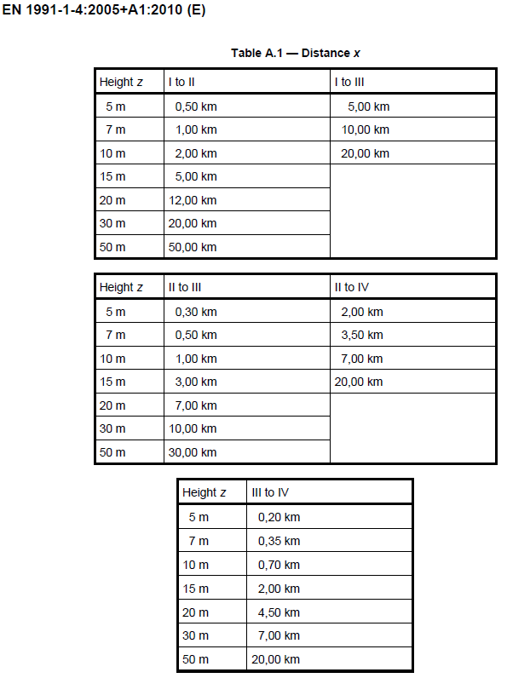
 |  | Ext External | Floor zones |  |  | MAX
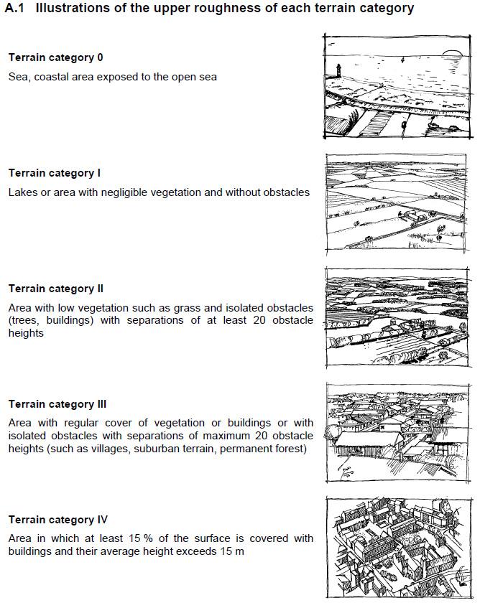
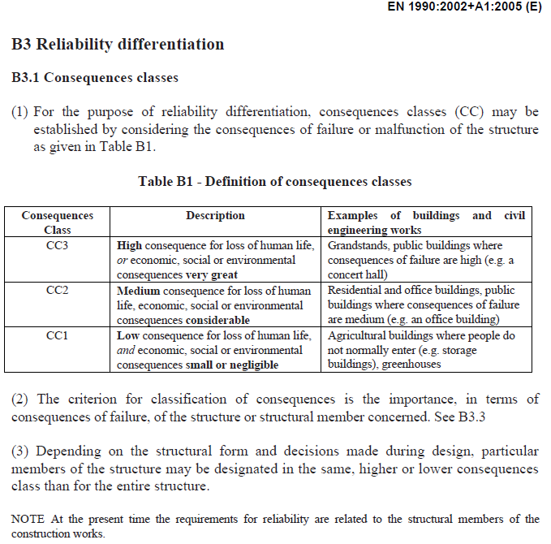
 | Facade zones | Wind pressure load, kN/m² | Zone length (ac. calc. Scheme Fig.2), m' | Total length of zones (perimeter), m' | Total length of zones (perimeter), % | Cpe external (Max H/d H/b) |  |  |  |  |  | For tall buildings rec. Cat. II or lower I , (0 - if near sea) | The illustrations only for informative purpose. If building height exceeds 15m, evaluate surrounding buildings height and use Procedure2 for cat. selection.
 | A | -1.364 | 5.6 | 46.4 | 40% | -1.200
 | B | -0.909 | 22.4 | 69.6 | 60% | -0.800
 | C | -0.568 | 2.0 | 0.0 | 0% | -0.500
 | ( D )** | 0.909 | 28.0 | 116.0 | 100% | 0.800
 | ( E )** | -0.676 | 28.0 | 116.0 | 100% | -0.595
 | ** Above MAXIMUM rectangular building D and E zones Wind load pressure values, despite wind direction.
 | Facade zones | Wind to b - (bd) | Cpe H/d | Wind to d* -(db) | Cpe H/b |  | Figure 2: The layout scheme of Air pressure zones, when steady wind blows perpendicular to the b plane, at the reference height z (see Figure 1).
 | D | 0.909 | 0.800 | 0.909 kN/m² | 0.800
 | E | -0.665 | -0.585 | -0.676 kN/m² | -0.595
 | Wind to b - (bd) pressure to D and E zones acc Figure 2 and 1.
 | Recommended values or selections only for fast calculation, for deep detailed wind calculation refer to Eurocode 1991-1-4 and NA.
 | * The calculation is intended for the rectangular building and calculation does not evaluate undulations of land surface.
 | ** Possible errors for values if assessed national anexes' values. Now values are calculated according Eurocodes.

 | IT CONTAINS CONFIDENTIAL UAB STATICUS INFORMATION, ANY COPYING OR DISTRIBUTION OF THIS FILE IS STRICTLY PROHIBITED AND UNLAWFUL !

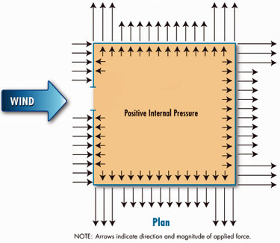
 | Advanced wind pressure design, if additional parameters are provided and current wind influence is required by NA or project specification:
 |  |  |  |  |  |  |  |  |  |  |  | Refer to 1991-1-4 Annex A table A.1 - Distance x
 | Internal air/wind pressure loads
 | Select coefficient: | Cpi=+0,2;Cpi=-0,3 | (+0,2; -0,3 recommended values for UK projects, if not possible to estimate)
 | *NET (Ext-Int) net pressure on Curtain walling, Glass units
 | Wind load values according to the building zones:
StaticusLab
 |  | [ Int ] Internal | NET* (Ext - Int) |  | Selected: | Cp_net | (INPUT)
 | Facade zones | Air pressure load, kN/m² | Wind pressure load, kN/m² |  | Cpi internal | Cpe-Cpi | Manual Cpi par.
 | A | 0.227 | -1.591 | A | 0.20 | -1.400 | 0.10
 | B | 0.227 | -1.137 | B | 0.20 | -1.000 | 0.10
 | C | 0.227 | -0.796 | C | 0.20 | -0.700 | 0.10
 | (D)** | -0.341 | 1.250 | D | -0.30 | 1.100 | -0.15
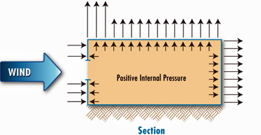
 | (E)** | 0.227 | -0.904 | E | 0.20 | -0.795 | 0.10
 | ** Above MAXIMUM rectangular building D and E zones Wind load pressure values, despite wind direction.
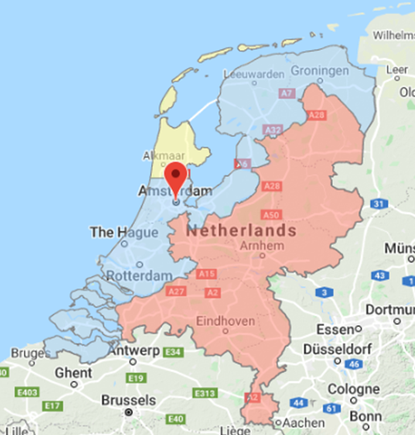
 | Facade zones | Wind to b - (bd) | NET* (Ext - Int) | Wind to d* -(db) | NET* (Ext - Int) |  |  |  |  |  |  |  | Refer to 1991-1-4 Annex A for detail terrain cattegory selection procedure |  |  |  |  |  |  |  |  | NL - Netherlands NEN-EN 1991-1-4
StaticusLab
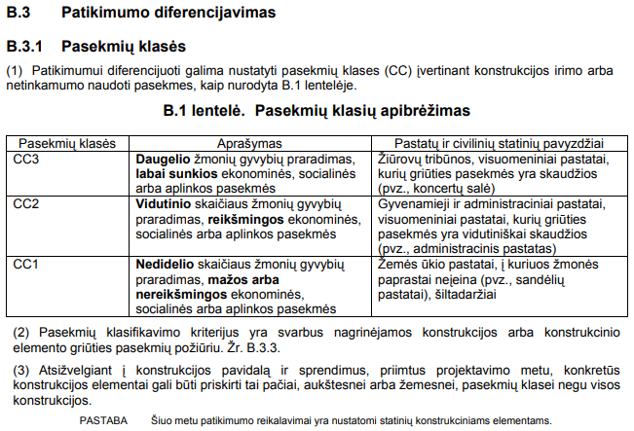
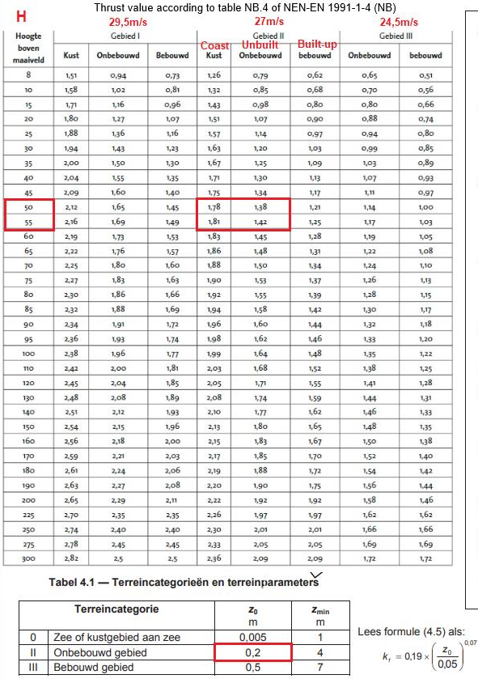
 | D | -0.341 | 1.250 | -0.341 | 1.25 kN/m²
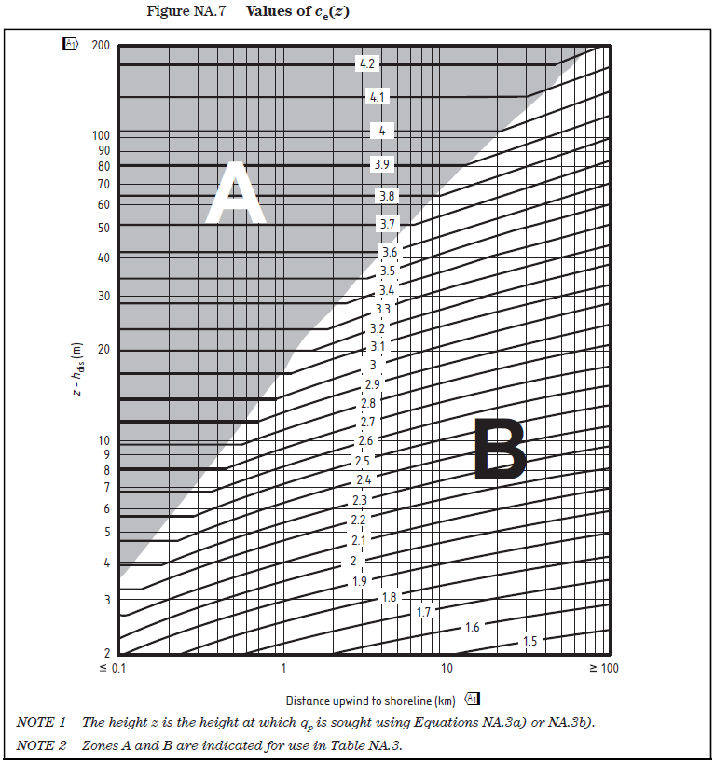
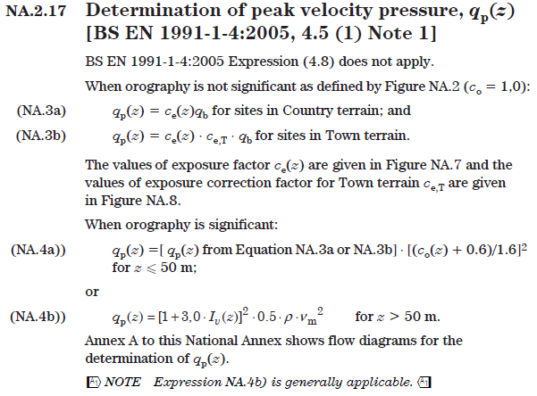
 | E | 0.227 | -0.893 | 0.227 | -0.563 kN/m² |  |  |  |  |  |  | Refer to EN 1991-1-4 Section 7.2.9 Internal pressure
 | Wind to b - (bd) pressure to D and E zones acc Figure 2 and 1. |  |  |  |  |  |  |  |  |  |  | For UK projects - internal pressures within the building are generated in line with BS EN 1991-1-4, Section 7.2.9,Note 2: |  |  |  |  |  |  |  | Detaliau žiūrėti EN 1991-1-4 skyrius 7.2.9 Vidinis slėgis
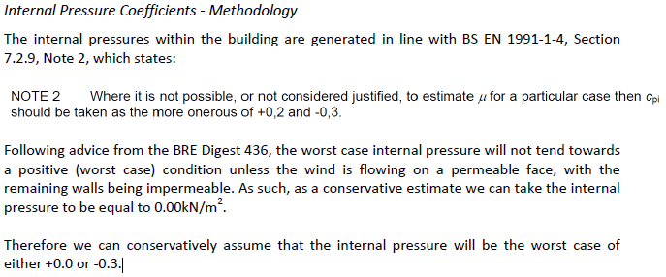
 | Refer to EN 1991-1-4 Section 7.2.9 Internal pressure
 |  |  |  |  |  |  |  | Figure 3: Internal air pressure.
 |  |  |  |  |  |  |  | For Air pressure zones, see Figure 2

 | Advanced wind pressure design, if additional parameters are provided and current wind influence is required by NA or project specification:

 | Wind pressure with funneling |  | (recommended always to calculate infuence of this effect for UK projects) |  |  |  |  |  | Input parameters (Figure 4):
 | Select coefficient: | Input parameters | (Interpolated linearly values, according to manual input parameters, if known) |  |  |  |  |  | 2*H1(b1) | 142 | m
 | *NET (Ext-Int) net pressure on Curtain walling, Glass units |  |  |  |  |  |  |  | 2*H2(d2) | 178 | m |  |  |  |  |  |  |  |  | Dažnai vidinio slėgio įtaką gana sunku apsakičiuoti, jei jį įvertinti reikalauja šalių Nacionaliniai priedai NA (pvz UK) ar projekto specifikacija, tada rekomenduojama vadovautis 2 pastaba.
 | Wind load values according to the building zones: |  |  |  |  | For information |  |  | 2*H | 162.4 | m | Refer to NA of BS 1991-1-4 NA.2.27 Values of external pressure coefficients for vertical walls
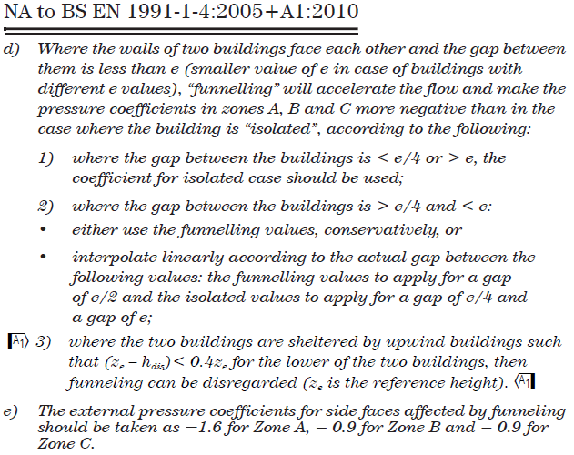
 |  | [ Ext ] External with funneling | [ Int ] Internal | NET* (Ext with funneling - Int) |  | Funneling coeff. Cpe | Cp_net |  | b | 28 | m |  |  |  |  |  |  |  |  | *Jei nereikalauja rekomenduojama vidinio slėgio nevertinti [No effect (+0 -0)]
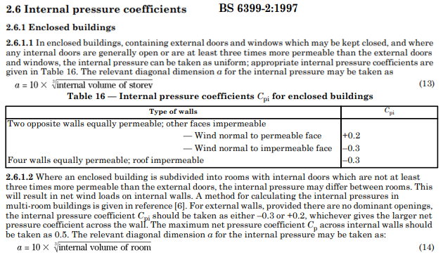
 | Facade zones | Wind pressure load, kN/m² | Air pressure load, kN/m² | Total Wind pressure load, kN/m² |  | Cpe10.1 funneling | Cpe10.1 fun - Cpi |  | d | 30 | m
 | A | -1.609 | 0.227 | -1.836 | (on ref. height z) | -1.415 | -1.615 |  | 2 * Gap | 38 | m
 | B | -0.971 | 0.227 | -1.198 | (on ref. height z) | -0.854 | -1.054 |  | b1 | 26.0 | m (input)
 | C | -0.813 | 0.227 | -1.041 | (on ref. height z) | -0.715 | -0.915 |  | d2 | 26.0 | m (input)
 | (D)** | 0.909 | -0.341 | 1.250 |  | 0.800 | 1.100 |  | H1(b1) | 71.0 | m (input)
 | (E)** | -0.676 | 0.227 | -0.904 |  | -0.595 | -0.795 |  | H2(d2) | 89.0 | m (input)
 |  | External press. on ext. panels |  | NET pressure on CW, Glass units |  |  |  |  | Select e: | 26 | m
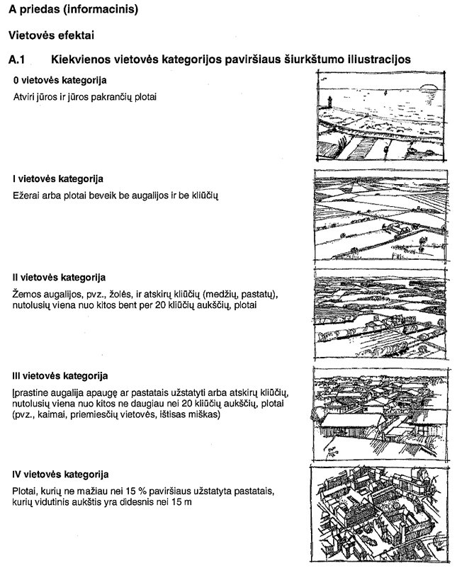
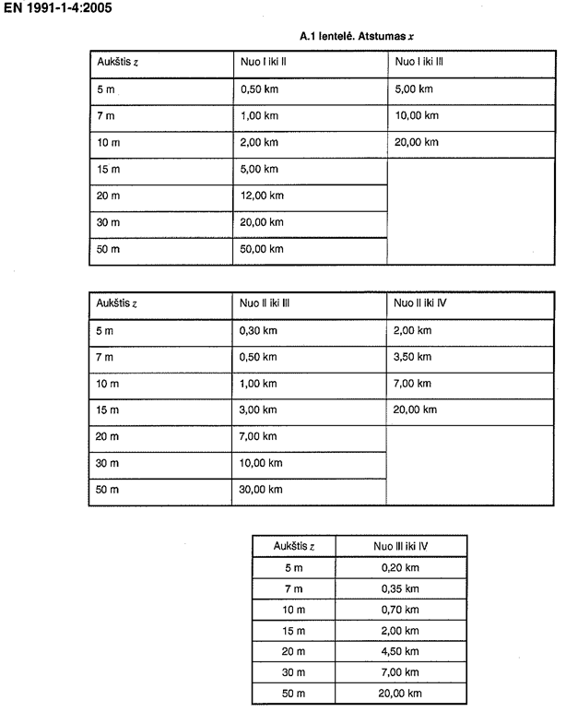
 |  |  |  |  |  |  |  |  | Select Gap: | 19 | m
 |  |  |  |  |  |  |  |  | Gap1 | 19.0 | m (input)
 | Note: Funneling also occurs on bridge openings between two blocks of building or openings to internal courtyard. |  |  |  |  |  |  |  | Gap2 |  | m (input)
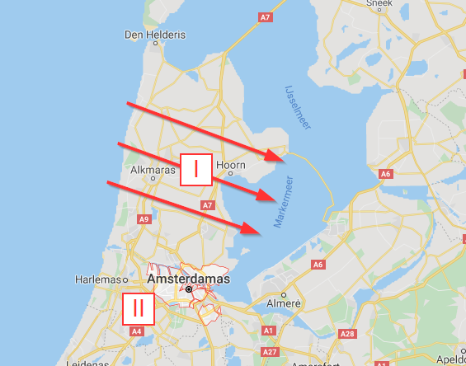
 | Note: In complex shapes and indentations the ~20% increase of funneling is possible - Zone A (-1,9) B/C (-1,1) D(+1,0) |  |  |  |  |  |  |  | Gap3 | 19.0 | m (input)
 | Refer to NA of BS 1991-1-4 NA.2.27 Values of external pressure coefficients for vertical walls |  |  |  |  |  |  |  | Most critical value when Gap=e/2
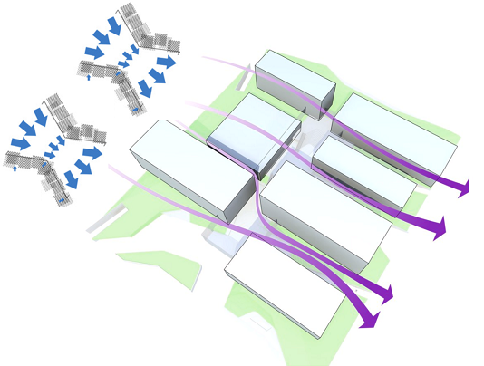
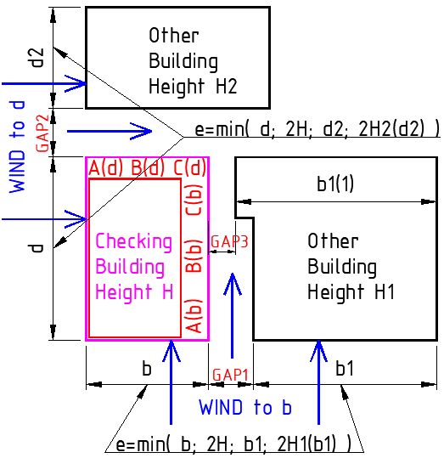
StaticusLab
 |  |  |  |  |  |  |  |  | No effect when Gap<e/4 or Gap>e
 |  |  |  |  |  |  |  | Wind to b | e(b)=min((b ; 2*H)or(b1 ; 2*H2(b1)))
 |  |  |  |  |  |  |  | Wind to d | e(d)=min((d ; 2*H)or(d2 ; 2*H2(d2)))

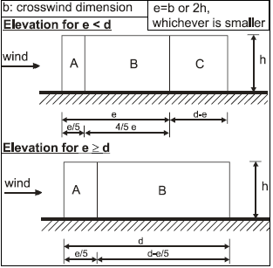

 |  |  |  |  |  |  |  |  |  |  |  |  |  |  |  |  |  |  |  | BRE Digest 436 Part 1 Wind loading on buildings. Brief guidance for using BS 6399-2:1997
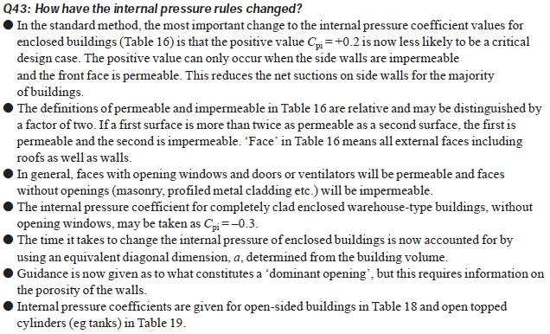
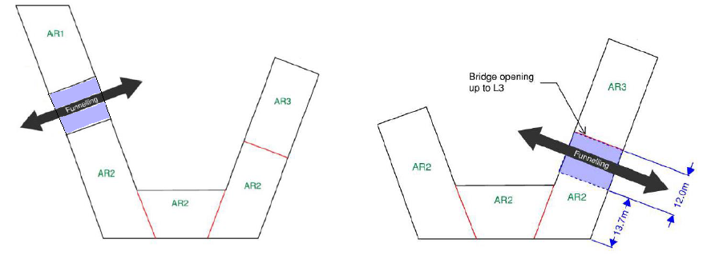

StaticusLab

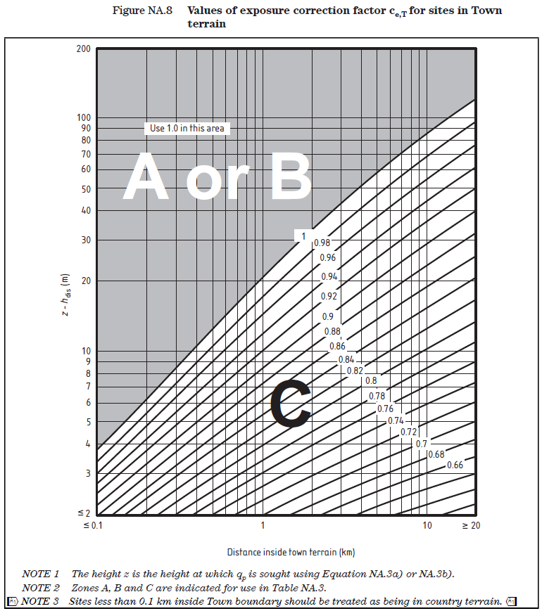

 |  |  |  | Figure 4: Funneling scheme for Input parameters
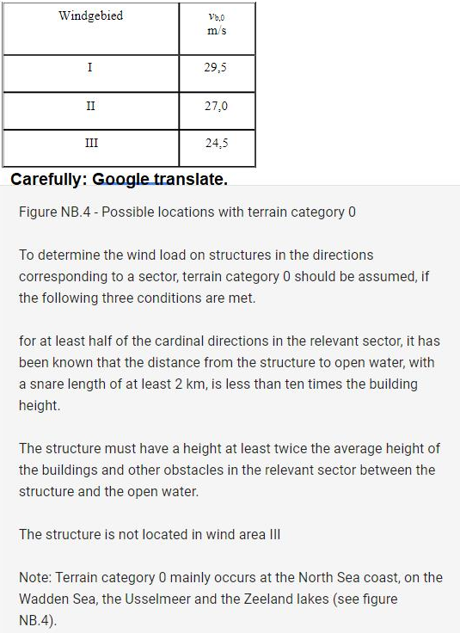
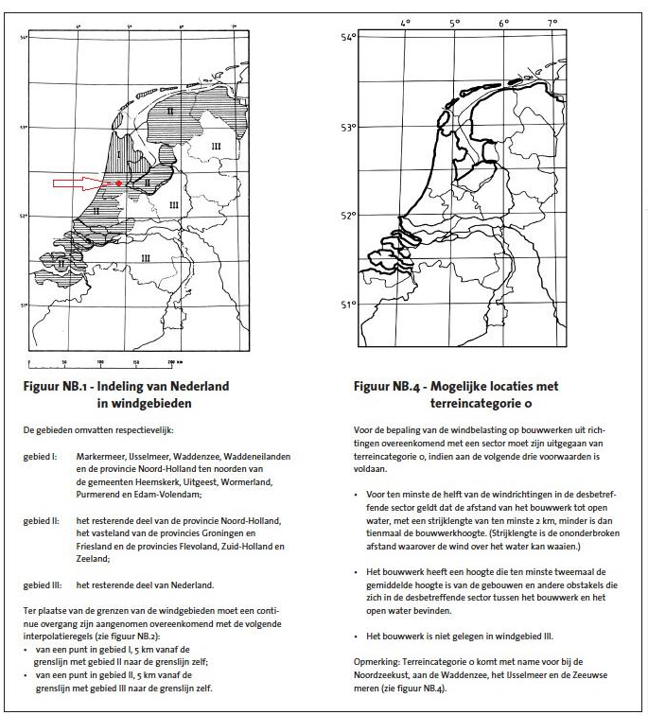
IT CONTAINS CONFIDENTIAL UAB STATICUS INFORMATION, ANY COPYING OR DISTRIBUTION OF THIS FILE IS STRICTLY PROHIBITED AND UNLAWFUL !!!

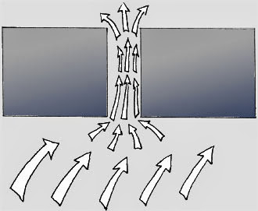



 | Keletas patarimų/taisyklių susijusių su vėjo apkrovomis fasaduose (pabrėžiu fasaduose, nes tai šiek tiek skiriasi nuo vėjo apkrovų skaičiavimo pastato konstruktyvui):

 | EN 1991-1-4 negali būti taikomas be tos šalies NA (nacionalinio priedo).

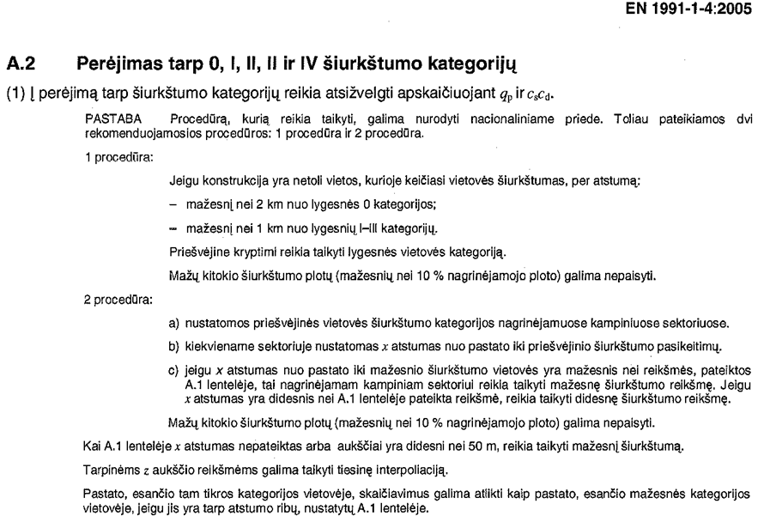
 | UK vėjo apkrovoms yra skirtas tikslesnis BS 6399 ; PD6688-1-4:2009 (praktiškai jie į savo NA ir sudėjo visą tą standartą, kaip daugelis šalių taip su savo nacionaliniais dokumentais ir padarė). Kadangi jis nesikerta su EC, gali būti naudojamas kaip papildomas dokumentas (EC tai leidžia). Standartas apima sudėtingesnes pastatų formas ir pan.

 | Skaičiuojant apkrovas fasadams neleidžiamas horizontalus vėjo apkrovų segmentavimas (nepriklausomai nuo h ir b santykio). Kitaip sakant, viršūninį vėjo greičio slėgį aukštyje z (z=h) turime taikyti per visą pastato aukštį. (Segmentavimas taikomas konstruktyvo skaičiavimui, kadangi didžiausią lenkimo momentą ties pamatu sukuria didžiausias vėjo slėgis viršuje, o apačioje beveik neturi įtakos).

 | Segmentavimas neleidžiamas darant prielaidą, kad vėjo srautas gali aplenkti pastatą ne tik pro šonus ir viršų, bet ir sūkuriais leistis žemyn.

Notes on using excel sheet
Design criteria | Requirement | Ref. Document | Paste all Project base references here:
Wind load kN/m2
Wind load (Localised) kN/m2
Snow load kN/m2
Building occupant loads applied vertically
Building occupant loads applied horizontally
Access and maintenance loads applies horizontally

Calculation Process notes:
Wind load calculation:
Wind load peak velocity | Calculation of wind peak velocity pressure - UK & Irish National Annex (eurocodeapplied.com)
Altitude of the site above mean sea level | https://www.freemaptools.com/elevation-finder.htm
Upwind distance to shoreline along the examined wind direction | https://www.doogal.co.uk/DistanceToSea

Notes on how to fill online tool:
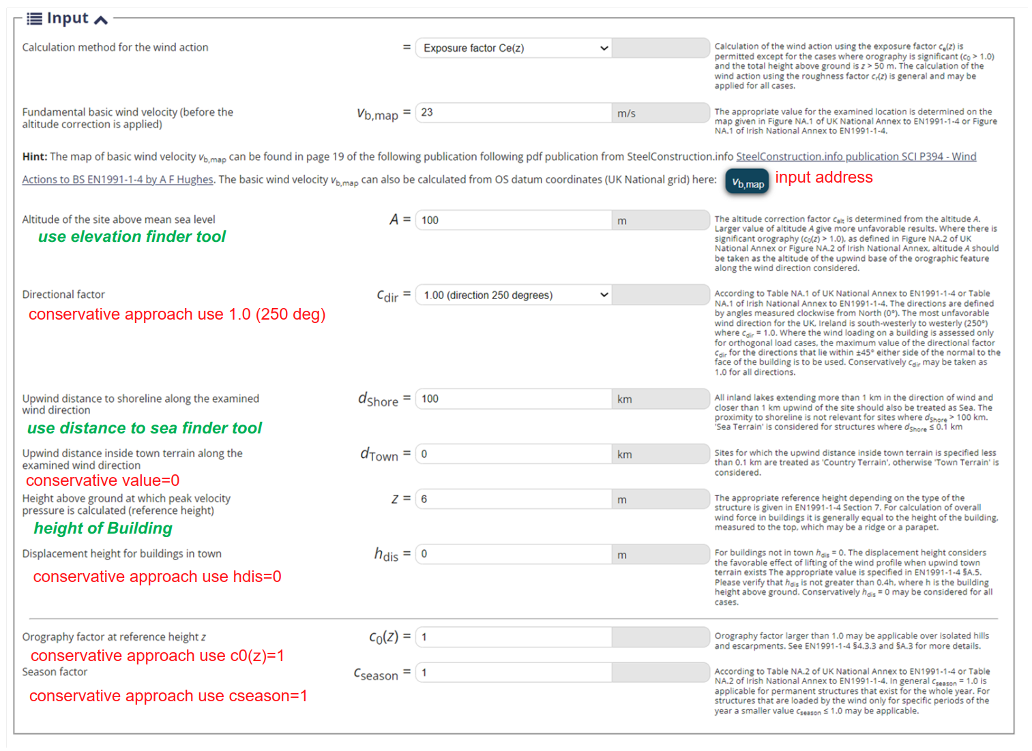
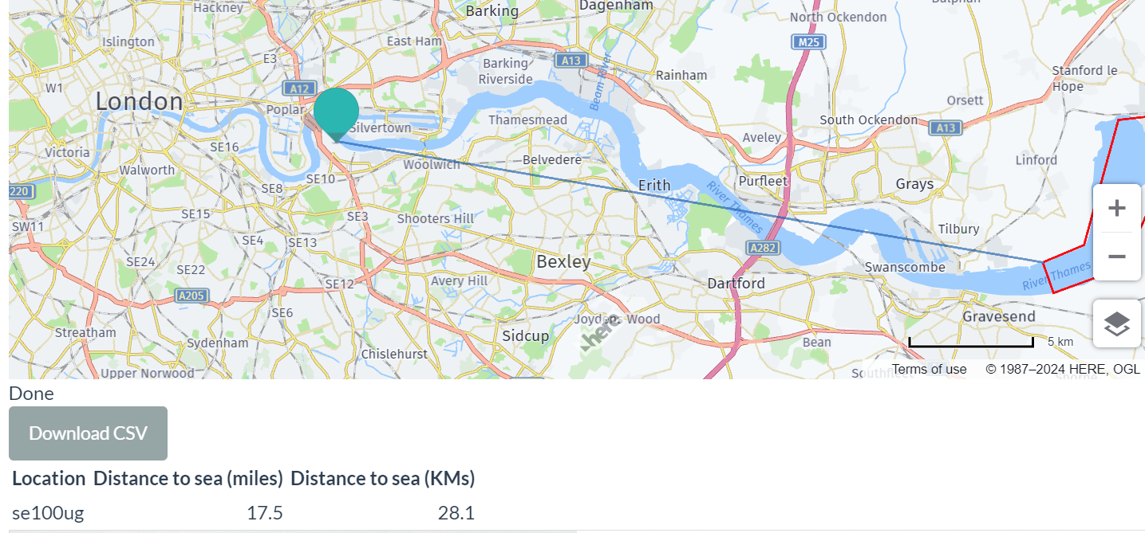

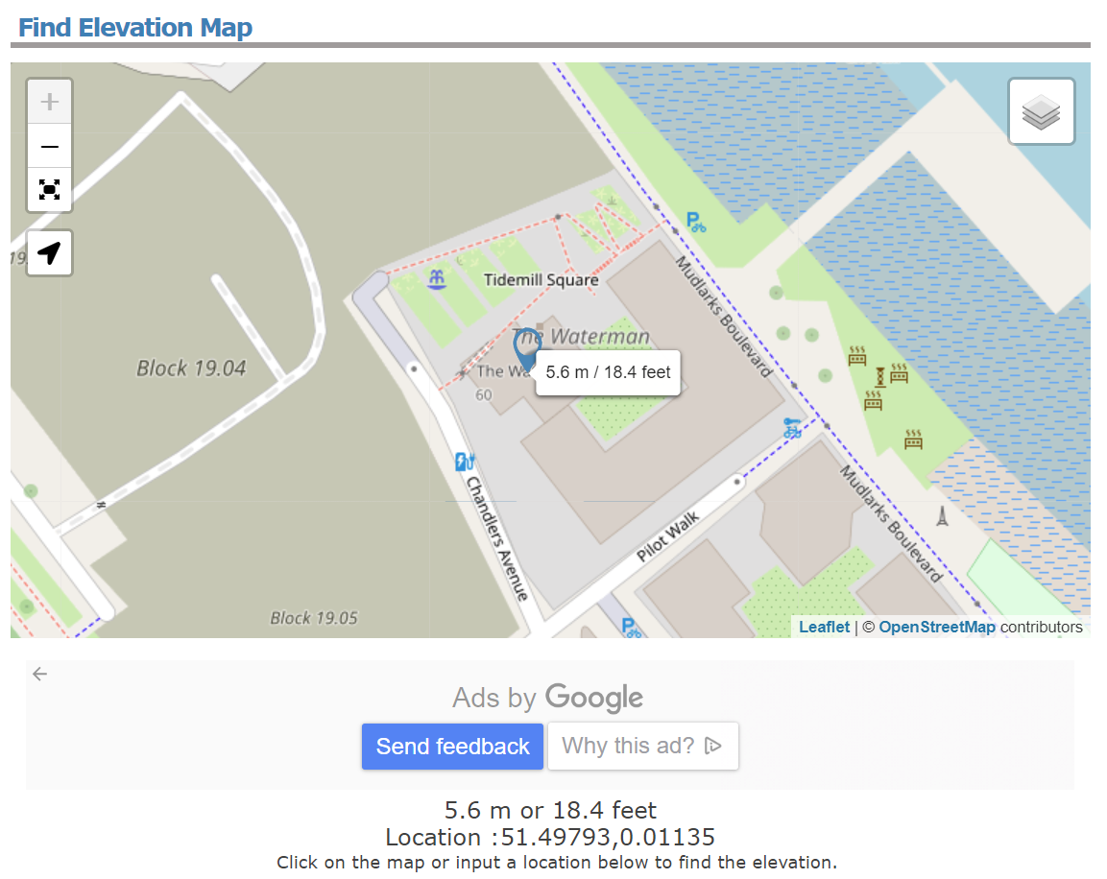

Also need to input qb in excel spreadsheet

Also need to input Ce(Z) in excel spreadsheet

